Sheet1
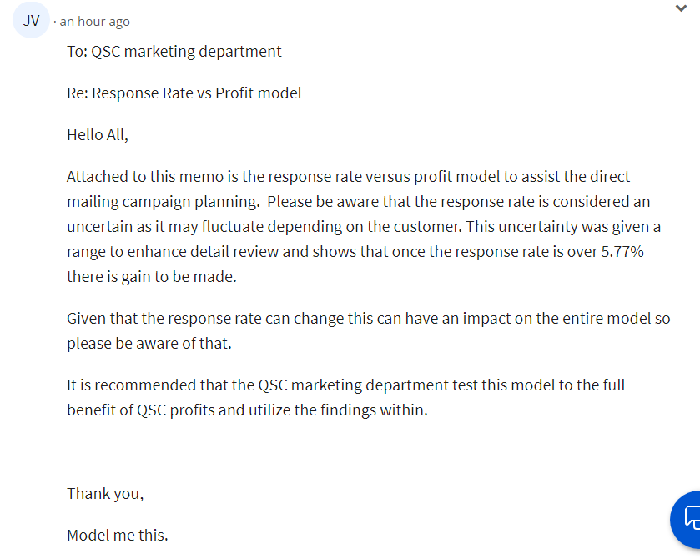
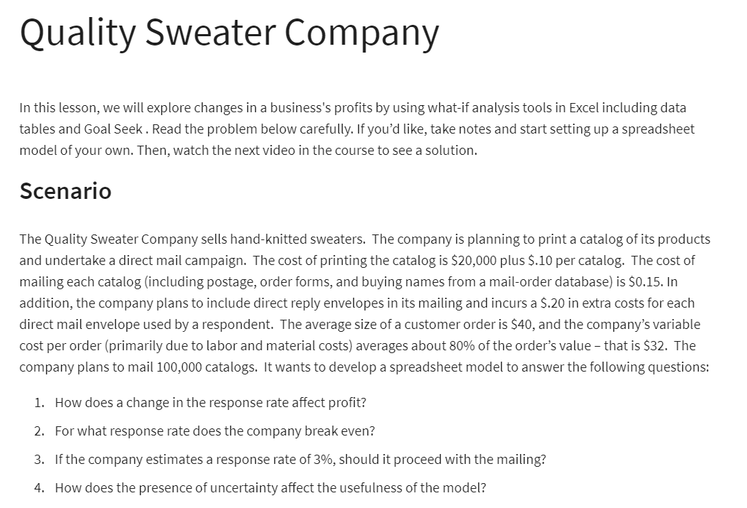
The Quality Sweater Company
 |  |  | a) Data Table
Cost of printing the catalog | $20,000 |  | response rate | profit
cost of printing per catalog | $0.10 |  |  | $0
 |  |  | 3.0% | $(21,600)
Cost of mailing each catalog | $0.15 |  | 3.5% | $(17,700)
cost of envelope | $0.20 |  | 4.0% | $(13,800)
 |  |  | 4.5% | $(9,900)
avg size of a cus order | $40 |  | 5.0% | $(6,000)
company cost per order | $32 | =0.8*B9 | 5.5% | $(2,100)
plan to mail | 100000 |  | 6.0% | $1,800
cost of mailing | $16,154 | =B11*(B6+B7*B14) | 6.5% | $5,700
 |  |  | 7.0% | $9,600
response rate | 5.8% |  | 7.5% | $13,500
profit | $0 | =B14*B11*(B9-B10)-B12-B3-B11*B4 | 8.0% | $17,400
The Quality Sweater Company

